Release Checklist_v1.00
WebPOS - Ticket #11817 |  |  |  |  | RELEASE CHECKLIST

Template Version:
V1.02 – 2017/05/18
 |  |  |  |  |  |  |  |  |  |  |  | TRC
 | RELEASE DATE |  |  |  |  | RELEASE DOC SCOPE |  |  |  | CHANGE TYPE
 | PLANNED |  |  |  | ACTUAL | Production Release |  |  |  | Prod Issue Fix
 | 01/22/2025 |  |  |  | 01/22/2025
 | PREPARED BY |  |  |  | Cabellon, Ralph Evan | Ticket Number | 11817 |  |  | CHANGE SCOPE | Code Changes

RELEASE DETAILS

 | https://tfs.alliancewebpos.com/tfs/WebPOSCollection/WebPOS/_workitems/edit/11817/

RELEASE INSTRUCTIONS

 | General instructions are found in the Release Procedure Document in Confluence.
 | Release Procedure

RELEASE ENVIRONMENT(TO BE FILLED IN BY THE PERSON RESPONSIBLE FOR THE RELEASE e.g. SysAd/TL)

 | The instructions are based on a release done in the environment defined below.
 | If the server environment is not the same as the one defined, some instructions may not be applicable.

 |  | PHP Version: |  |  | PHP 7.4.26
 |  | Apache Version: |  |  | Apache/2.4.51
 |  | Windows Server: |  |  | CentOS Linux release 7.9.2009
 |  | Database Version: |  |  | 10.6.5-MariaDB

OTHER NOTES / SPECIAL INSTRUCTIONS FOR THIS SPECIFIC RELEASE

 | HQ Link: |  | http://realfoodph.alliancewebpos.com/ipposmgr.swf

RELEASE CHECKLIST

 | REMINDERS
 | 1. All releases must go through this checklist
 | 2. Provide explanation in Remarks column if answer is No/NA

 | # | Checkpoint |  |  |  |  |  | Y / N or NA | Remarks
 | Project Planning
 | 1 | Was the project estimated? |  |  |  |  |  | No | Not a CTM
 | 2 | Was the project schedule defined before the actual implementation? |  |  |  |  |  | No | Not a CTM
 | Project Design
 | 3 | Was a design document created? |  |  |  |  |  | No | Not a CTM
 | 4 | Did this go through Internal Design Review? |  |  |  |  |  | No | Not a CTM
 | Investigation Analysis
 | 5 | Was a Root Cause Analysis created for this ticket? |  |  |  |  |  | Yes | https://tfs.alliancewebpos.com/tfs/WebPOSCollection/WebPOS/_workitems/edit/11817/
 | 6 | Did this go through RCA Review? |  |  |  |  |  | Yes | https://tfs.alliancewebpos.com/tfs/WebPOSCollection/WebPOS/_workitems/edit/11817/
 | Development and Testing
 | 7 | Did this go through Code Review? |  |  |  |  |  | Yes | http://10.0.0.174:7990/projects/WEB/repos/jacob/pull-requests/2424/overview
 | 8 | Was this release tested already by the development team or internal QA? |  |  |  |  |  | Yes | https://tfs.alliancewebpos.com/tfs/WebPOSCollection/_git/WebPOS?path=%2F5.0%20WebPOS%20Jacob%20Documents%2F5.2%20Maintenance%2FTFS%20-%2011817%2FPOT%2FTFS11817_%5BReal%20Food%5D%5BConcern%5D%5BDelivery%20Form%20Posting%20Issue%5D-Local_POT.pdf&version=GBmaster
 | 9 | Was the POT/Test Results approved? |  |  |  |  |  | Yes | https://tfs.alliancewebpos.com/tfs/WebPOSCollection/_git/WebPOS/pullrequest/1694?_a=overview
 | Release
 | Release Tracker
 | 10 | Was a task card created for the release? |  |  |  |  |  | No | C/O with sysad
 | 11 | Are there other tickets/cases included in this release? |  |  |  |  |  | No | N/A
 | Release Versioning
 | 12 | Does the release involve version upgrade? |  |  |  |  |  | Yes | From V8.56.N04240 To V8.59.P01200
 | 13 | Are the release notes updated? |  |  |  |  |  | Yes
 | 14 | Are the changes deployed to GIT? |  |  |  |  |  | Yes
 | Release Preparation
 | 15 | Are the release builds deployed to GIT? |  |  |  |  |  | Yes | http://10.0.0.174:7990/projects/WEB/repos/jacob/commits/1da0dbe13c8fb13d2e4014410dd1df3ea9b22593
 | Pre release
 | 16 | Is there a need to upgrade the server's PHP version? |  |  |  |  |  | No | Server php version is already updated
 | Actual release
 | 17 | Virus checking already done? Please provide a screenshot in the Virus Checking section below. |  |  |  |  |  | Yes | Refer to below VIRUS SCAN SCREENSHOT
 | 18 | Was the cache purged? Applies to those with Cloudflare. |  |  |  |  |  | N/A
 | Post release
 | 19 | Is the Post-release checklist accomplished? (refer to Post-Release Checklist sheet) |  |  |  |  |  | No | N/a
 | 20 | Is the WebPOS Client Inventory updated with the latest version? |  |  |  |  |  | N/A
 | 21 | Was a walkthrough document created? |  |  |  |  |  | N/A

VIRUS SCAN SCREENSHOT
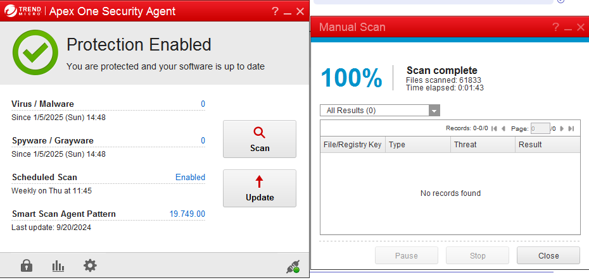

POST CONFIRMATION (to be filled up if DEV will do the release)

 | This is to confirm that the updates were deployed correctly.

 |  |  |  | CONFIRMED BY |  |  |  | DATE CONFIRMED

 | Screenshots:
 | N/A

